Instructions
 | This spreadsheet is designed to make use of the RMS Crash data provided in dbf format. It uses lookup formulae to convert the codes included in the dbf files to readable values, as supplied by RMS in text file format in the 'Labels for DBF fields' directory which accompanies the data supply.

Step 1 | Run the extract executable (eg Muswellb.exe), enter password etc to download the dbf files. These will be contained in the traffaccs directory.

Step 2 | Open the dbf file (files) with MS Excel. These will be named something like xxxDGyy.dbf where xxx is the LGA number and yy is the last two digits of the year.

Step 3 | Enter your LGA details here ==> in the yellow cells | 305 | Muswellbrook

Step 4 | Copy and paste data from the dbf to the "Raw" tab, over the sample data. Multiple years of data can be added.

Step 5 | Open to the "Mesh" Tab and drag the formulae down to show all data. TAKE CARE not to overwrite the formulae in the cells.

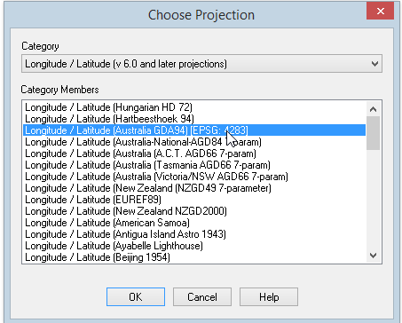
Step 6 | If the data is to be viewed in the mapping system: Copy the data in the "Mesh" tab and Paste Special ==> Values into the "MapRange" tab or into a new spreadsheet. Open this tab/ new spreadsheet from within the mapping software to create a layer for use in GIS.

 | Each mapping software is different, however if using MapInfo ensure Easting & Northing fields are designatd as field type 'float'. Projection is Longitude/Latitude (Australia GDA94).

 | Prepared by Helen Rooth, Muswellbrook Shire Council Feb 2015. Email: helen.rooth@muswellbrook.nsw.gov.au Ph 02 65493720
 | Shared for NSW Councils to use at own risk. All care taken, but no responsibility for errors accepted. Suggestions for improvement etc welcomed.

